RES Spline Graph
 | 2022 RATE CASE
 | ONCOR ELECTRIC DELIVERY COMPANY LLC
 | ADJUSTED WEATHER STATION DATA
 | FOR THE TEST YEAR ENDING DECEMBER 31, 2021

 | SPONSOR: D. E. NELSON

Line
No.
1 | Residential Spline Model
2 | After Corrective Procedures for Autocorrelation
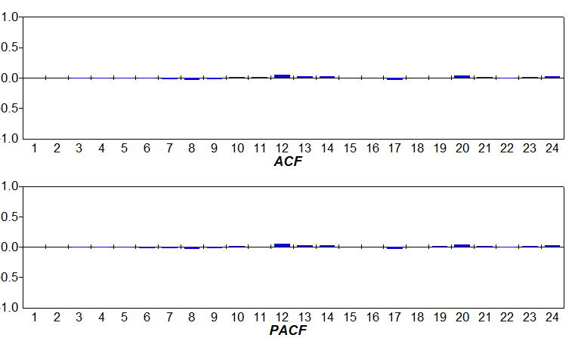
3
4
5
6
7
8
9
10
11
12
13
14
15
16
17
18
19
20
21
22
23
24
25
26
27
28

GSS Spline Graph
 | 2022 RATE CASE
 | ONCOR ELECTRIC DELIVERY COMPANY LLC
 | ADJUSTED WEATHER STATION DATA
 | FOR THE TEST YEAR ENDING DECEMBER 31, 2021

 | SPONSOR: D. E. NELSON

Line
No.
1 | Secondary Service Less Than or Equal to 10 KW Spline Model
2 | After Corrective Procedures for Autocorrelation
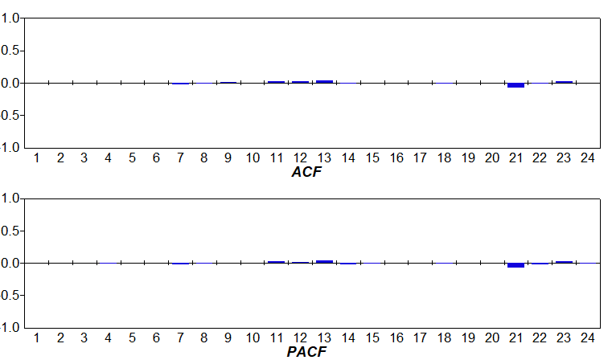
3
4
5
6
7
8
9
10
11
12
13
14
15
16
17
18
19
20
21
22
23
24
25
26
27
28

GSL Spline Graph
 | 2022 RATE CASE
 | ONCOR ELECTRIC DELIVERY COMPANY LLC
 | ADJUSTED WEATHER STATION DATA
 | FOR THE TEST YEAR ENDING DECEMBER 31, 2021

 | SPONSOR: D. E. NELSON

Line
No.
1 | Secondary Service Greater Than 10 KW Spline Model
2 | After Corrective Procedures for Autocorrelation
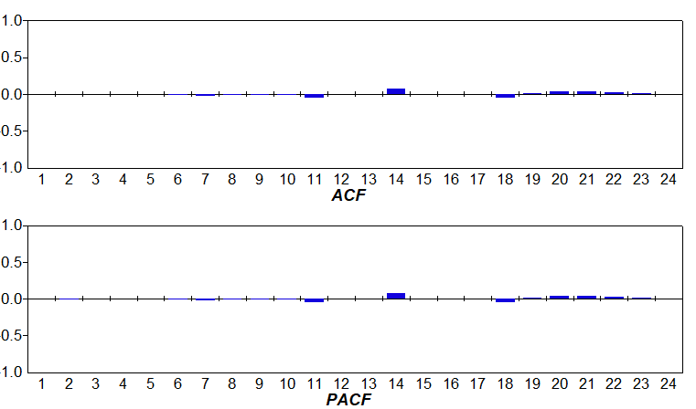
3
4
5
6
7
8
9
10
11
12
13
14
15
16
17
18
19
20
21
22
23
24
25
26
27
28

GPLD Spline Graph
 | 2022 RATE CASE
 | ONCOR ELECTRIC DELIVERY COMPANY LLC
 | ADJUSTED WEATHER STATION DATA
 | FOR THE TEST YEAR ENDING DECEMBER 31, 2021

 | SPONSOR: D. E. NELSON

Line
No.
1 | Primary Service Greater Than 10 KW Distribution Spline Model
2 | After Corrective Procedures for Autocorrelation
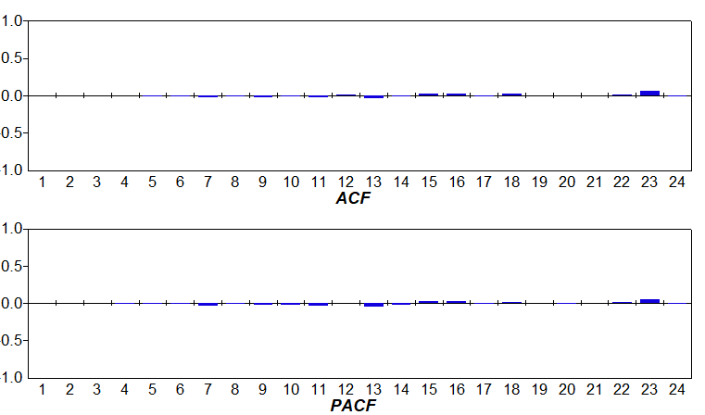
3
4
5
6
7
8
9
10
11
12
13
14
15
16
17
18
19
20
21
22
23
24
25
26
27
28

SUBS Spline Graph
 | 2022 RATE CASE
 | ONCOR ELECTRIC DELIVERY COMPANY LLC
 | ADJUSTED WEATHER STATION DATA
 | FOR THE TEST YEAR ENDING DECEMBER 31, 2021

 | SPONSOR: D. E. NELSON

Line
No.
1 | Substation Spline Model
2 | After Corrective Procedures for Autocorrelation
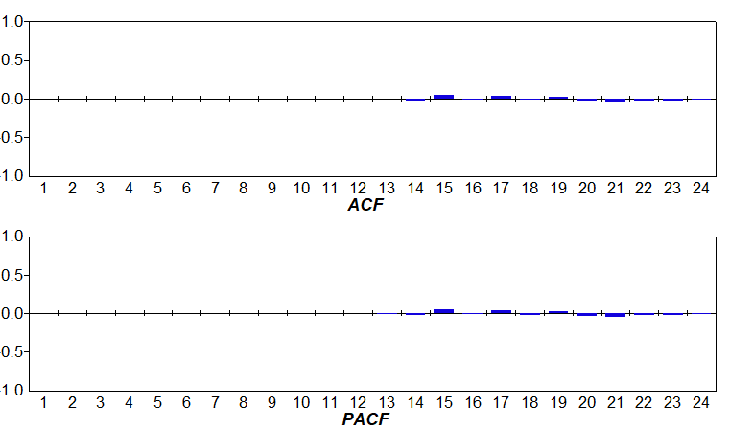
3
4
5
6
7
8
9
10
11
12
13
14
15
16
17
18
19
20
21
22
23
24
25
26
27
28

RES B Spline Graph
 | 2022 RATE CASE
 | ONCOR ELECTRIC DELIVERY COMPANY LLC
 | ADJUSTED WEATHER STATION DATA
 | FOR THE TEST YEAR ENDING DECEMBER 31, 2021

 | SPONSOR: D. E. NELSON

Line
No.
1 | Residential Spline (B) Model
2 | Before Corrective Procedures for Autocorrelation
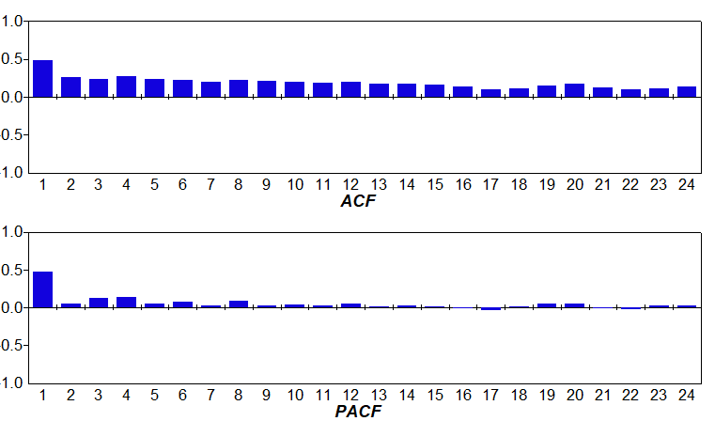
3
4
5
6
7
8
9
10
11
12
13
14
15
16
17
18
19
20
21
22
23
24
25
26
27
28

GSS B Spline Graph
 | 2022 RATE CASE
 | ONCOR ELECTRIC DELIVERY COMPANY LLC
 | ADJUSTED WEATHER STATION DATA
 | FOR THE TEST YEAR ENDING DECEMBER 31, 2021

 | SPONSOR: D. E. NELSON

Line
No.
1 | Secondary Service Less Than or Equal to 10 KW Spline (B) Model
2 | Before Corrective Procedures for Autocorrelation
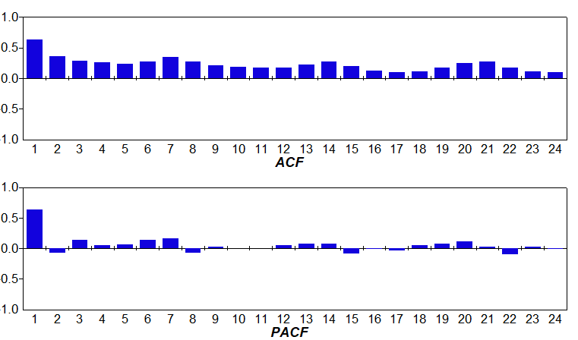
3
4
5
6
7
8
9
10
11
12
13
14
15
16
17
18
19
20
21
22
23
24
25
26
27
28

GSL B Spline Graph
 | 2022 RATE CASE
 | ONCOR ELECTRIC DELIVERY COMPANY LLC
 | ADJUSTED WEATHER STATION DATA
 | FOR THE TEST YEAR ENDING DECEMBER 31, 2021

 | SPONSOR: D. E. NELSON

Line
No.
1 | Secondary Service Greater Than 10 KW Spline (B) Model
2 | Before Corrective Procedures for Autocorrelation
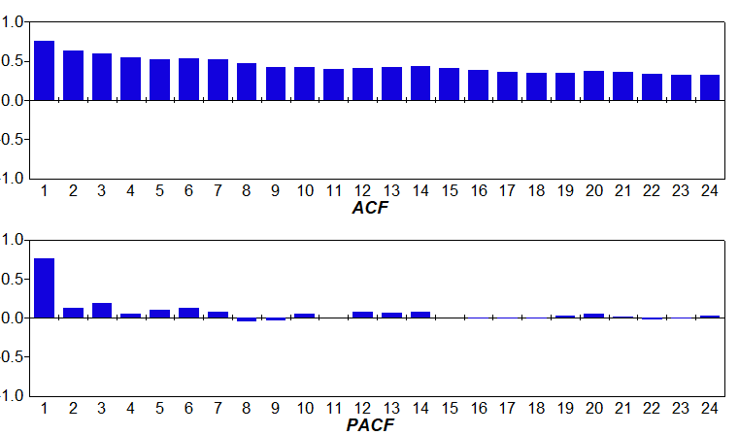
3
4
5
6
7
8
9
10
11
12
13
14
15
16
17
18
19
20
21
22
23
24
25
26
27
28

GPLD B Spline Graph
 | 2022 RATE CASE
 | ONCOR ELECTRIC DELIVERY COMPANY LLC
 | ADJUSTED WEATHER STATION DATA
 | FOR THE TEST YEAR ENDING DECEMBER 31, 2021

 | SPONSOR: D. E. NELSON

Line
No.
1 | Primary Service Greater Than 10 KW Distribution Spline (B) Model
2 | Before Corrective Procedures for Autocorrelation
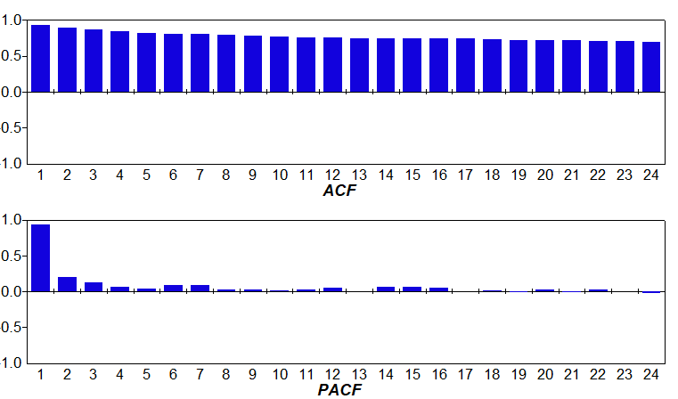
3
4
5
6
7
8
9
10
11
12
13
14
15
16
17
18
19
20
21
22
23
24
25
26
27
28

SUBS B Spline Graph
 | 2022 RATE CASE
 | ONCOR ELECTRIC DELIVERY COMPANY LLC
 | ADJUSTED WEATHER STATION DATA
 | FOR THE TEST YEAR ENDING DECEMBER 31, 2021

 | SPONSOR: D. E. NELSON

Line
No.
1 | Substation Spline (B) Model
2 | Before Corrective Procedures for Autocorrelation
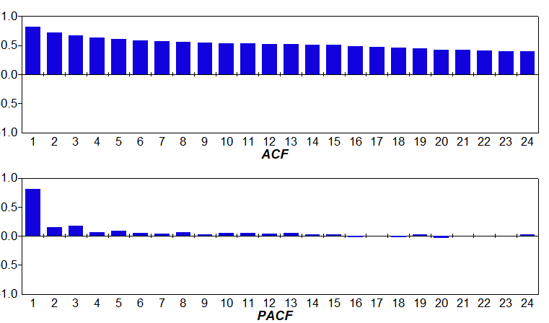
3
4
5
6
7
8
9
10
11
12
13
14
15
16
17
18
19
20
21
22
23
24
25
26
27
28

